Folha1
Views | Components | ViewModels | Views | Components | ViewModels
 | Top bar |  | 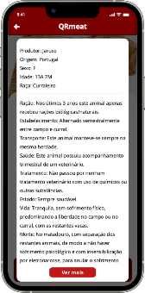 | Top Bar
 | Big widget | News.bigNew |  | Info | Meat.moreInfo
 | Botão Ler Mais
 | Small widgets | News.listNews
 |  |  |  | See more
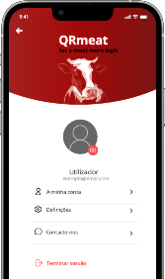 | Top Bar + Header
 | Profile photo | Account.photo
 | Profile Info | Account.info
 | Options |  |  | Meat photo | Meat.photo
 | Logout |  |  | Meat Info | Meat.smallInfo
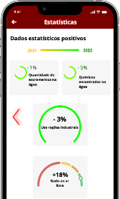 | Top bar |  |  | Ratings | Meat.feedbackUsers
 | Move Negative |  |  | Save Product Button
 | Year bar | Stats.positiveLineBar
 | Top graphs | Stats.positiveTopGraphs |  | Give Feedback Button
 | Bottom graphs | Stats.positiveBottomGraphs
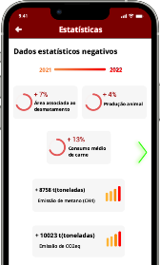 | Top bar |  |  | Stars | Meat.starts
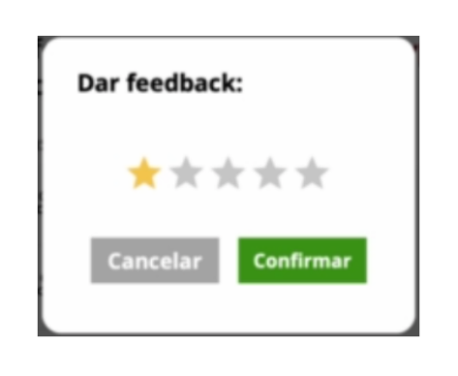
 | Move Positive
 | Year bar | Stats.negativeLineBar |  | Cancel button
 | Top graphs | Stats.negativeTopGraphs
 | Bottom graphs | Stats.negativeBottomGraphs |  | Confirm button
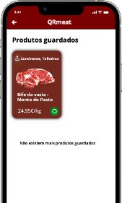 | Top Bar
 | Saved Products | Account.favorites

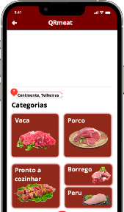 | Top Bar
 | Map | Market.map
 | Name | Market.name
 | Categories | Market.categories
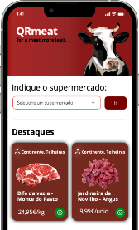 | Header
 | Search | Main.availableMarkets
 | Highlights | Main.highlights
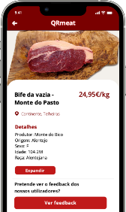 | Top Bar
 | Meat photo | Meat.photo
 | Meat details | Meat.details
 | Expand
 | Feedback
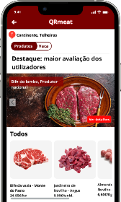 | Top Bar
 | Name | Market.name
 | Slider
 | Highlights | Market.highlights
 | All products | Market.allMeats
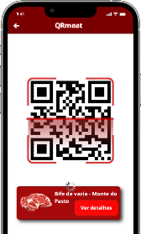 | Top Bar
 | Qrcode
 | Meat Scanned

